Main
Measurement data name | Main image | Main image2 | 3D image | Height color | Measured date
 | Laser + Optical | Height
Salt sample sanded 20x super fine image 1 | 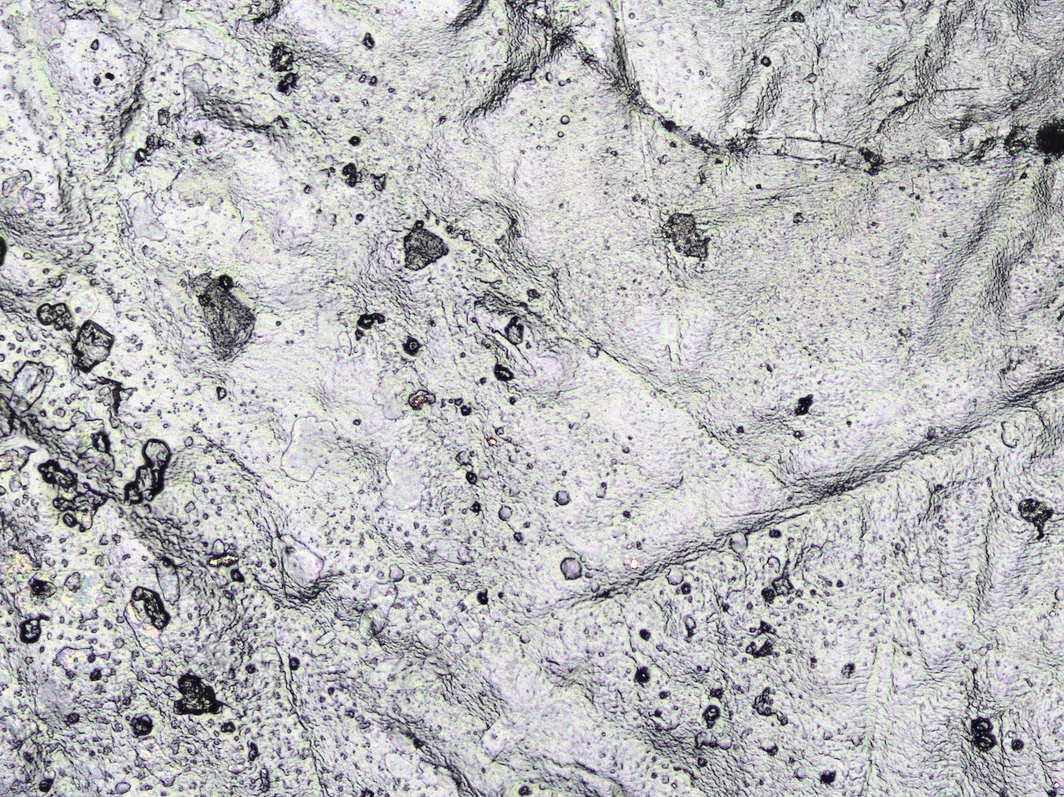 | 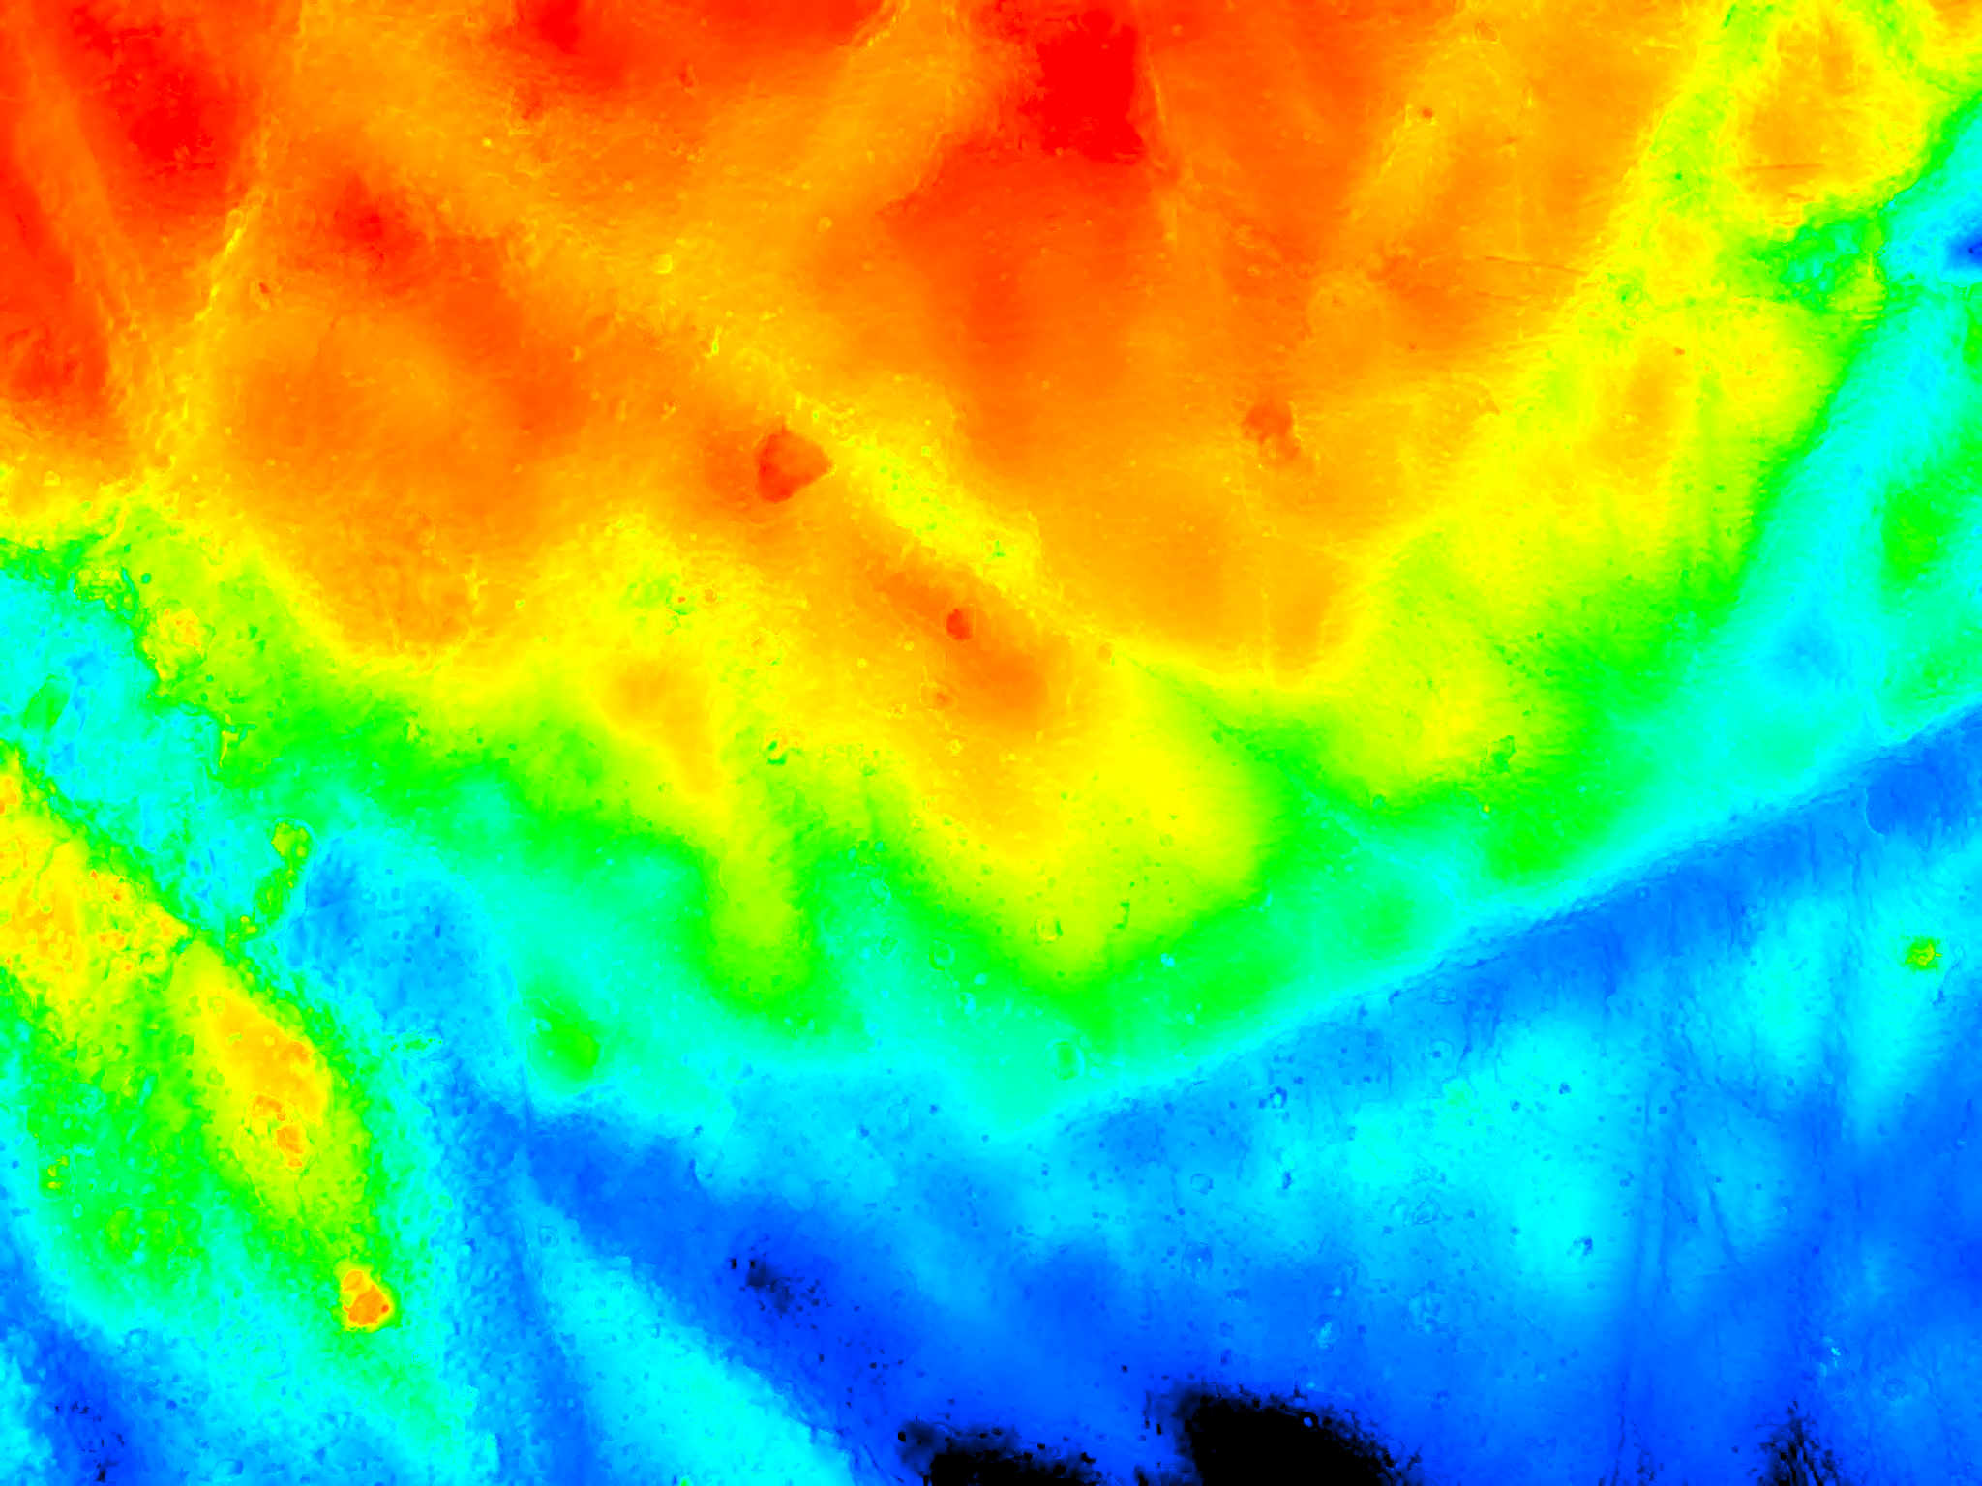 | 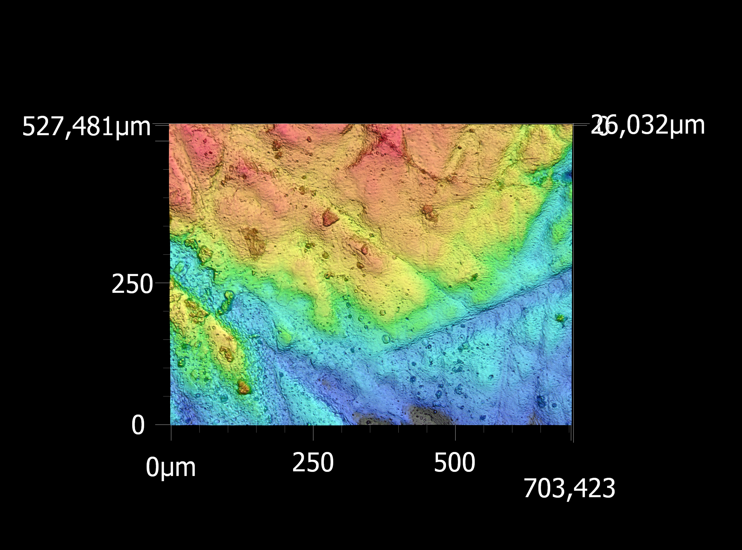 | 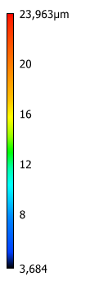 | 2026-04-28

